Pivot Tables & Insights
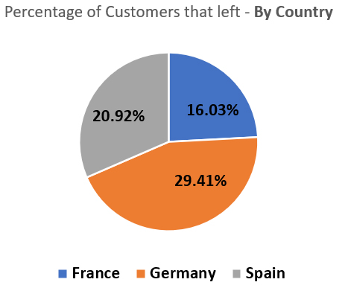
 |  |  |  | Insights:
Country | Sum of ExitedFromBank? | Count of Country | Percentage that left |  | 29% of the customers based in Germany have left the bank, a full 9% more than the next country, Spain.
France | 76 | 474 | 16.03% |  | 26% of female customers have left the bank, 11% more than male customers.
Germany | 75 | 255 | 29.41% |  | Customers aged 40-69 left between 32 and 51% of the time, other age groups only had leave rates up to 11%.
Spain | 50 | 239 | 20.92%
Grand Total | 201 | 968 | 20.76%

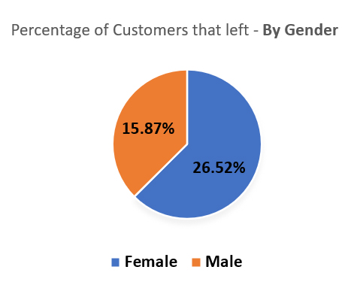
Gender | Sum of ExitedFromBank? | Count of Gender | Percentage that left
Female | 118 | 445 | 26.52%
Male | 83 | 523 | 15.87%
Grand Total | 201 | 968

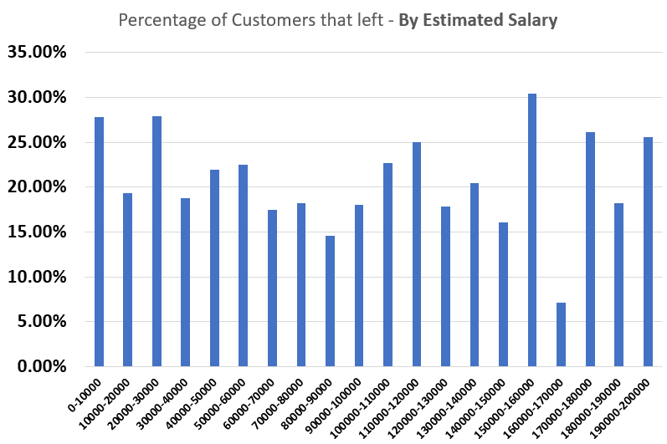
Estimated Salary | Sum of ExitedFromBank? | Count of Estimated Salary | Percentage that left
0-10000 | 15 | 54 | 27.78%
10000-20000 | 11 | 57 | 19.30%
20000-30000 | 12 | 43 | 27.91%
30000-40000 | 9 | 48 | 18.75%
40000-50000 | 9 | 41 | 21.95%
50000-60000 | 9 | 40 | 22.50%
60000-70000 | 7 | 40 | 17.50%
70000-80000 | 12 | 66 | 18.18%
80000-90000 | 7 | 48 | 14.58%
90000-100000 | 9 | 50 | 18.00%
100000-110000 | 10 | 44 | 22.73%
110000-120000 | 14 | 56 | 25.00%
120000-130000 | 10 | 56 | 17.86%
130000-140000 | 9 | 44 | 20.45%
140000-150000 | 9 | 56 | 16.07%
150000-160000 | 14 | 46 | 30.43%
160000-170000 | 3 | 42 | 7.14%
170000-180000 | 12 | 46 | 26.09%
180000-190000 | 8 | 44 | 18.18%
190000-200000 | 12 | 47 | 25.53%
Grand Total | 201 | 968

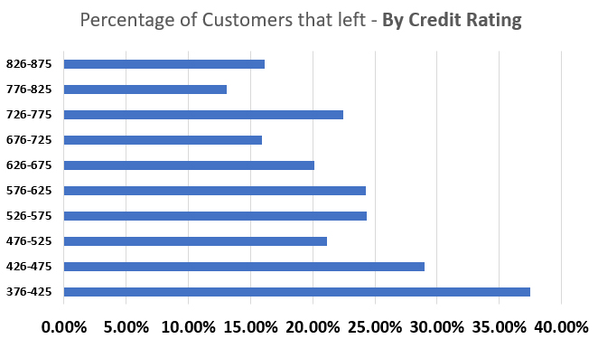
Credit Rating | Sum of ExitedFromBank? | Count of Credit Score | Percentage that left
826-875 | 5 | 31 | 16.13%
776-825 | 8 | 61 | 13.11%
726-775 | 31 | 138 | 22.46%
676-725 | 27 | 170 | 15.88%
626-675 | 38 | 189 | 20.11%
576-625 | 35 | 144 | 24.31%
526-575 | 27 | 111 | 24.32%
476-525 | 18 | 85 | 21.18%
426-475 | 9 | 31 | 29.03%
376-425 | 3 | 8 | 37.50%
Grand Total | 201 | 968

Credit Card - 0=no, 1=yes | Sum of ExitedFromBank? | Count of HasCrCard? | Percentage that left
0 | 60 | 285 | 21.05%
1 | 141 | 683 | 20.64%
Grand Total | 201 | 968

Active? - 0=no, 1=yes | Sum of ExitedFromBank? | Count of IsActiveMember | Percentage that left
0 | 140 | 472 | 29.66%
1 | 61 | 496 | 12.30%
Grand Total | 201 | 968

Number of Products | Sum of ExitedFromBank? | Count of NumOfProducts | Percentage that left
1 | 140 | 502 | 27.89%
2 | 32 | 432 | 7.41%
3 | 27 | 32 | 84.38%
4 | 2 | 2 | 100.00%
Grand Total | 201 | 968

Tenure | Sum of ExitedFromBank? | Count of Tenure | Percentage that left
0 | 6 | 38 | 15.79%
1 | 30 | 101 | 29.70%
2 | 27 | 107 | 25.23%
3 | 19 | 96 | 19.79%
4 | 16 | 82 | 19.51%
5 | 20 | 99 | 20.20%
6 | 21 | 93 | 22.58%
7 | 15 | 92 | 16.30%
8 | 19 | 105 | 18.10%
9 | 21 | 108 | 19.44%
10 | 7 | 47 | 14.89%
Grand Total | 201 | 968

Balance | Sum of ExitedFromBank? | Count of Balance | Percentage that left
0-20000 | 55 | 340 | 16.18%
20000-40000 | 0 | 2 | 0.00%
40000-60000 | 4 | 19 | 21.05%
60000-80000 | 6 | 46 | 13.04%
80000-100000 | 14 | 85 | 16.47%
100000-120000 | 44 | 154 | 28.57%
120000-140000 | 43 | 168 | 25.60%
140000-160000 | 18 | 86 | 20.93%
160000-180000 | 11 | 50 | 22.00%
180000-200000 | 3 | 15 | 20.00%
200000-220000 | 3 | 3 | 100.00%
Grand Total | 201 | 968

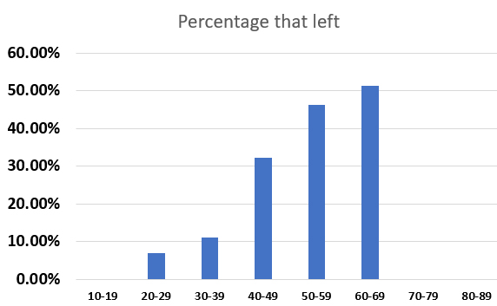
Age | Sum of ExitedFromBank? | Count of Age | Percentage that left
10-19 | 0 | 3 | 0.00%
20-29 | 10 | 142 | 7.04%
30-39 | 48 | 429 | 11.19%
40-49 | 84 | 260 | 32.31%
50-59 | 38 | 82 | 46.34%
60-69 | 21 | 41 | 51.22%
70-79 | 0 | 9 | 0.00%
80-89 | 0 | 2 | 0.00%
Grand Total | 201 | 968

Decision Tree
